Data Aug Details
Speaker | Layer Frozen | Training Loss Graph | Training Accuracy Graph | Accuracy | % Change from Normal

F05 | Augmented_F05_D3 | 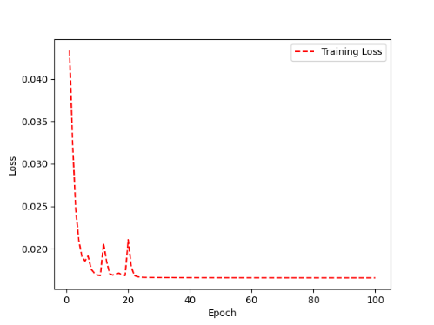 | 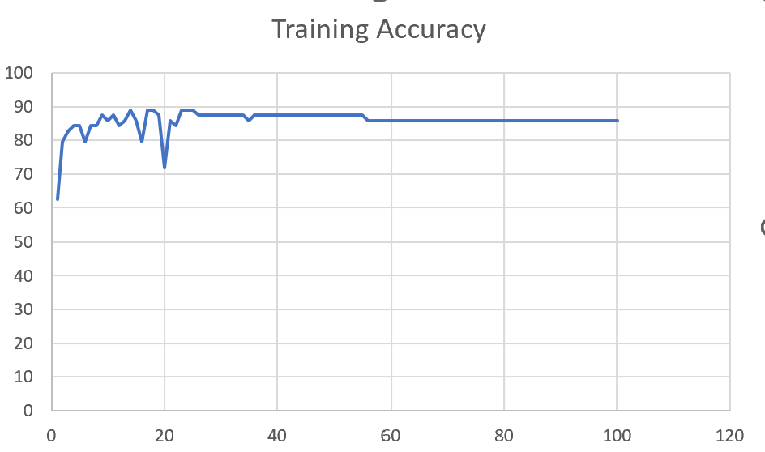 | 93 | 2

 | Augmented_F05_TE | 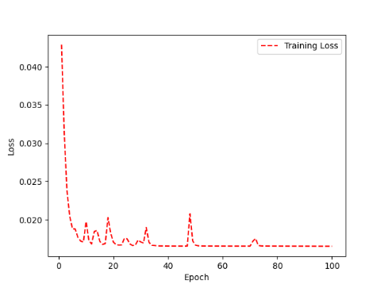 | 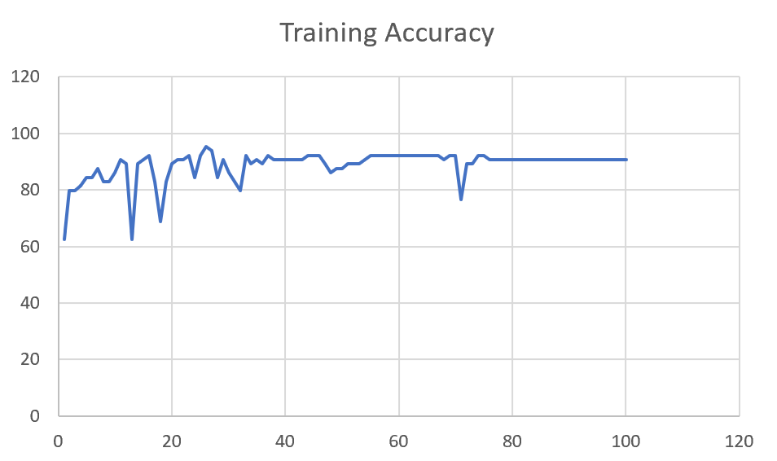 | 93 | 3

M08 | Augmented_M08_T3+D123 | 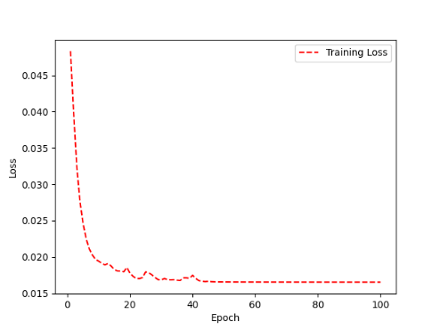 | 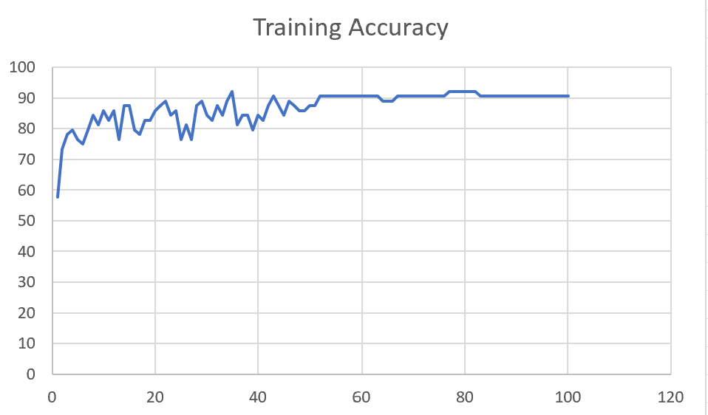 | 88 | 4

 | Augmented_M08_T3+D12 | 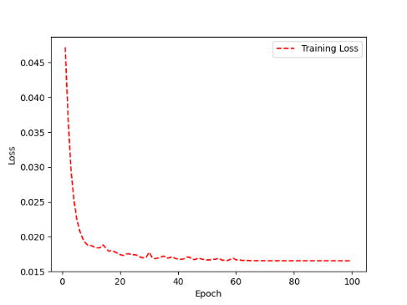 | 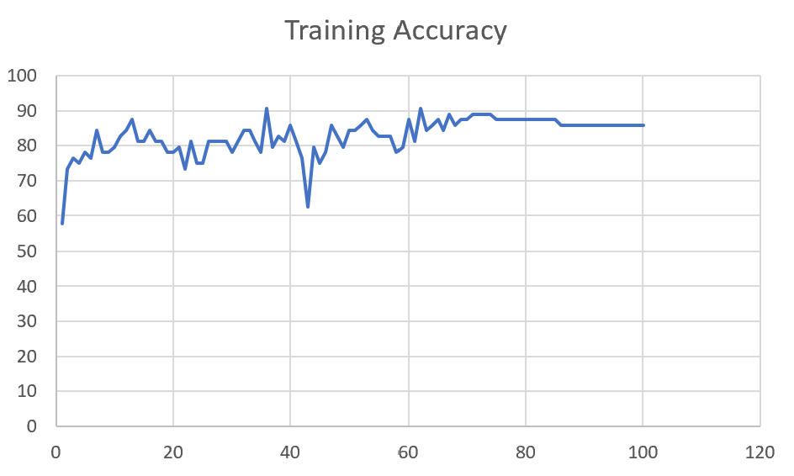 | 88 | 6

M10 | Augmented_M10_T3+D1 | 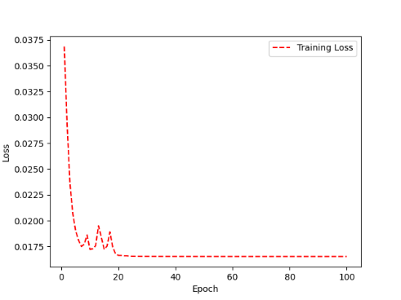 | 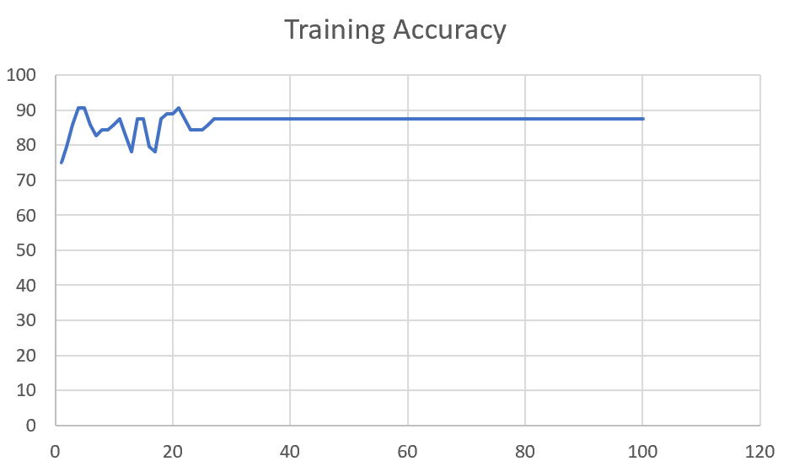 | 91 | -1

 | Augmented_M10_E1 | 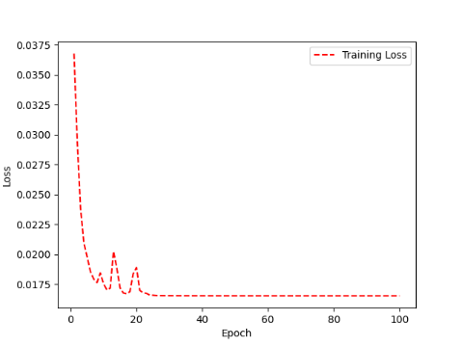 | 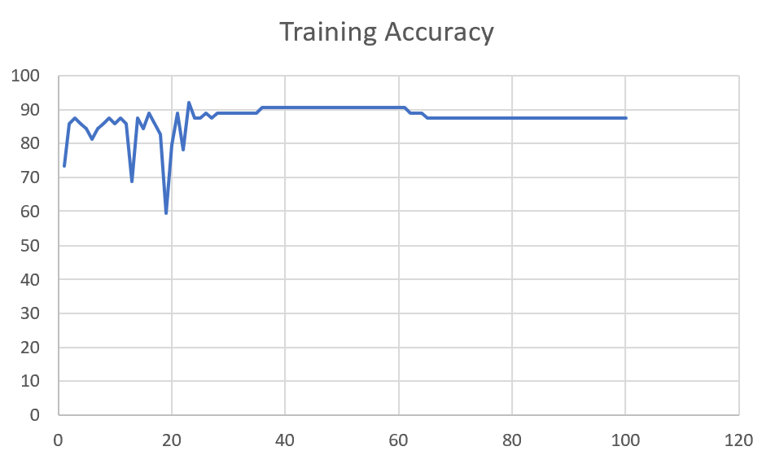 | 91 | 0

M14 | Augmented_M14_D3 | 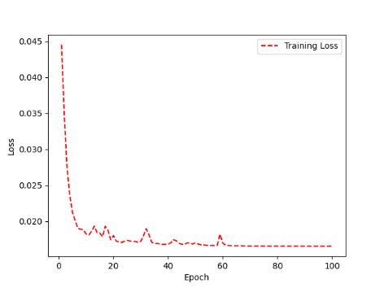 | 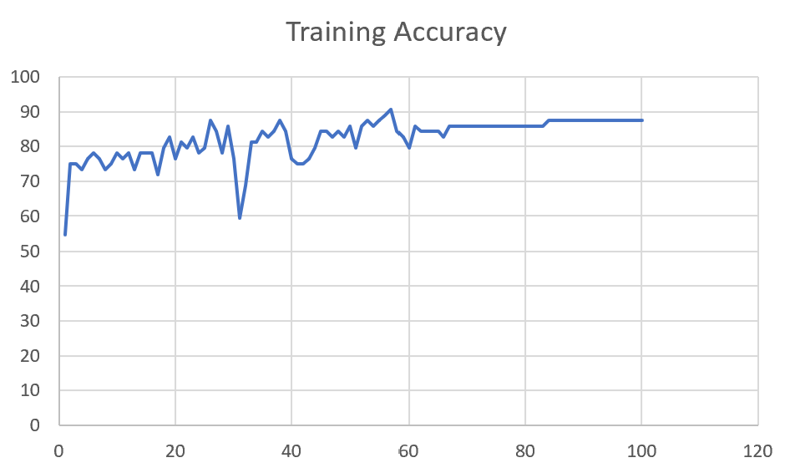 | 84

 | Augmented_M14_T3+D1 | 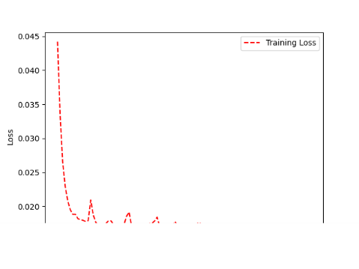 | 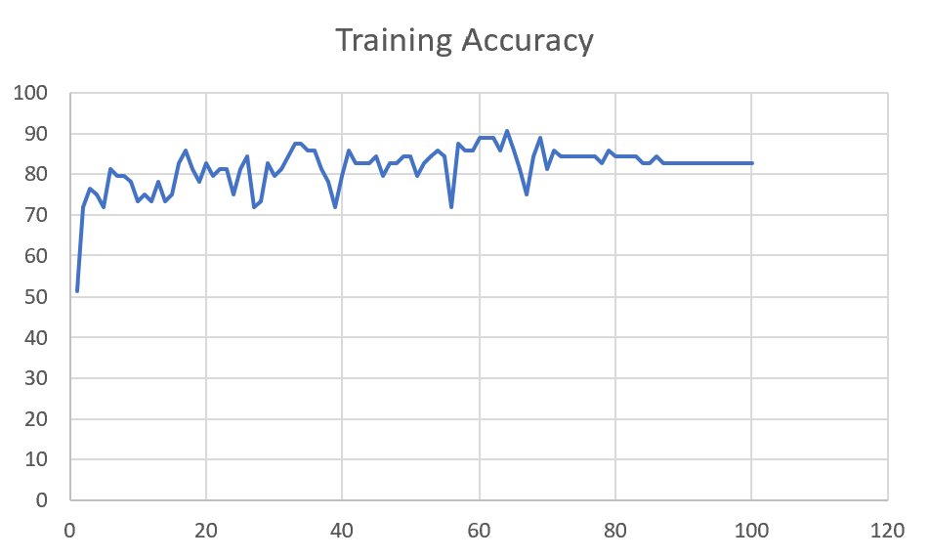 | 85

M09 | Augmented_M09_D3 | 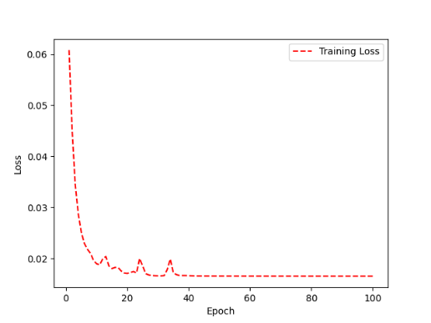 | 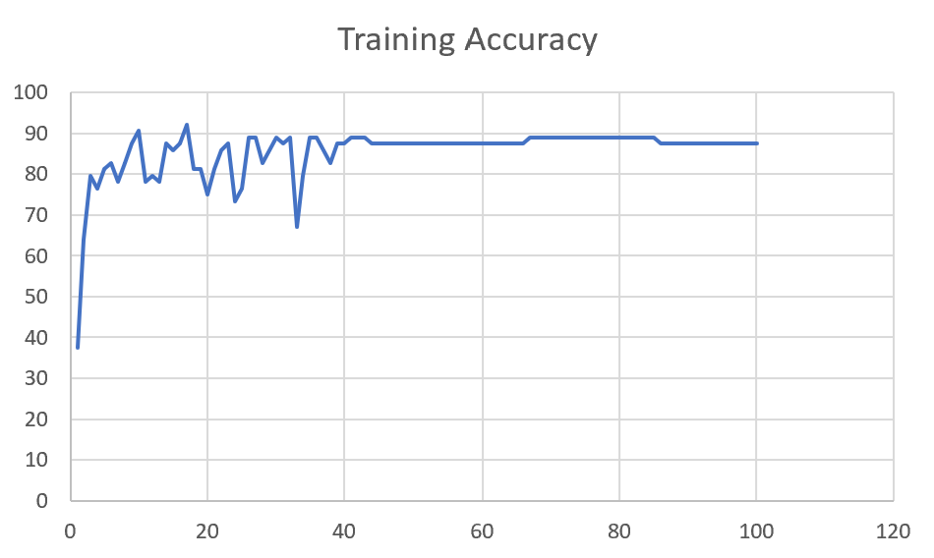 | 84

 | Augmented_M09_TE | 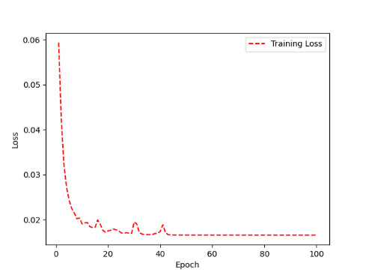 | 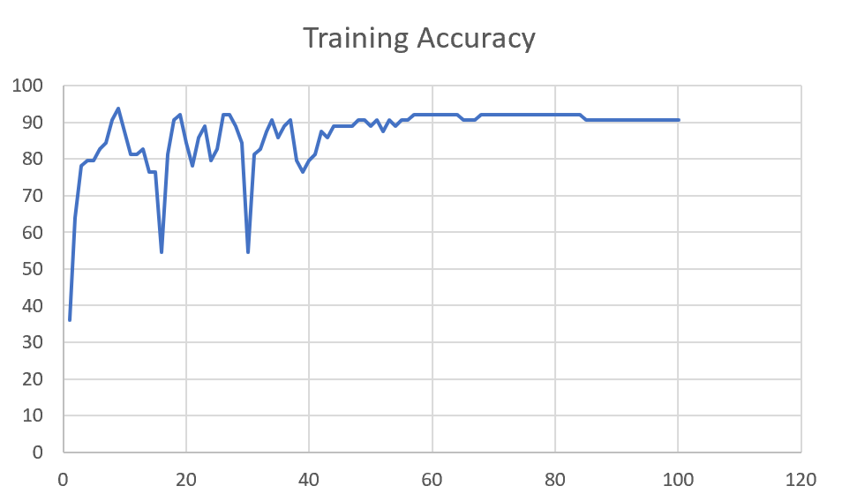 | 82

F04 | Augmented_F04_TE | 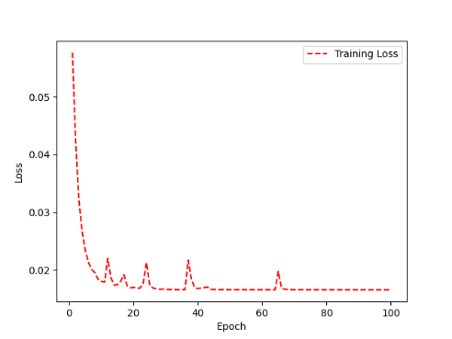 | 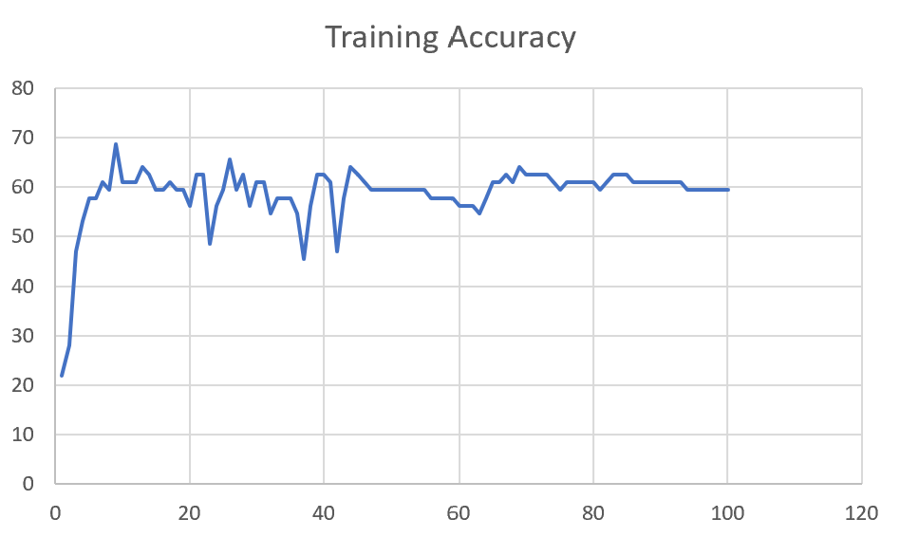 | 69

 | Augmented_F04_TE+D1 | 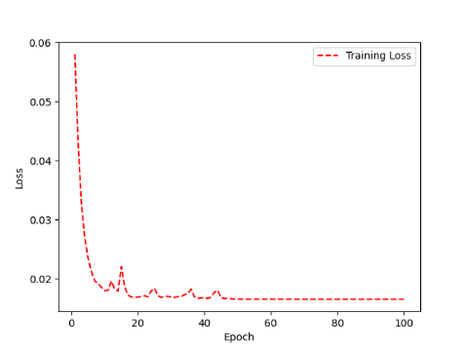 | 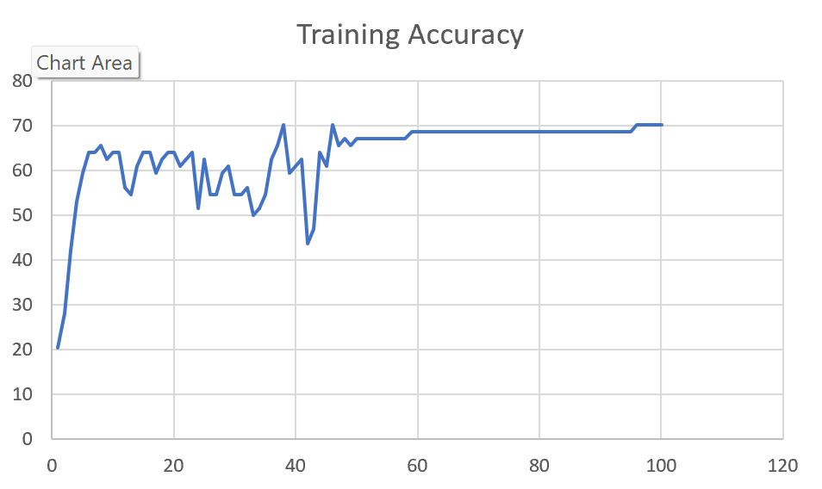 | 72

M11 | Augmented_M11_TE | 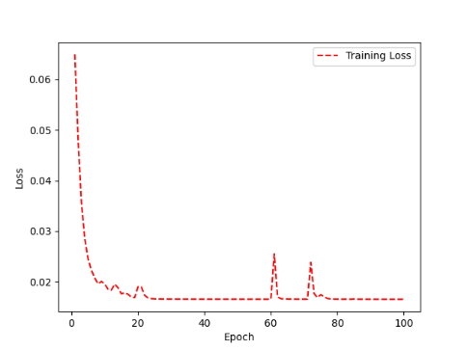 | 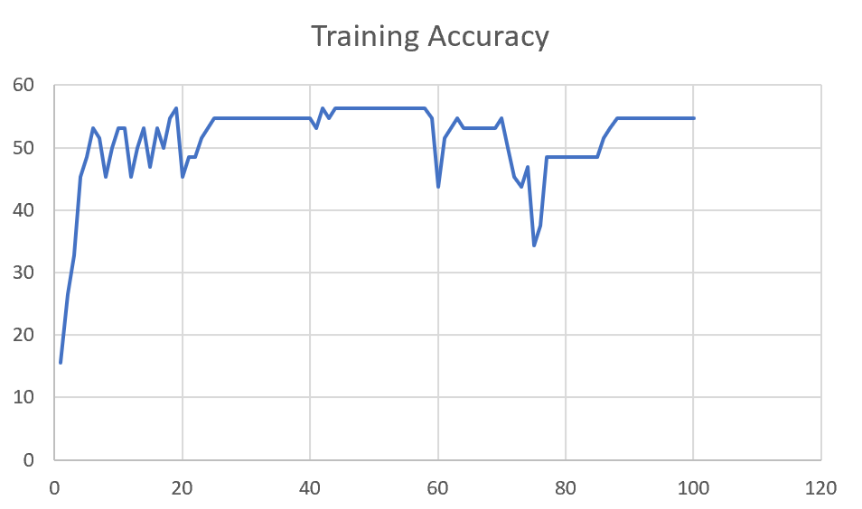 | 55

 | Augmented_M11_D3

M05 | Augmented_M05_D3

 | Augmented_M05_TE+D1

M16 | Augmented_M16_D3

 | Augmented_M16_TE+D1

F02 | Augmented_F02_TE

 | Augmented_M05_TE+D1

M07 | Augmented_M07_D3

 | Augmented_M07_TE+D12

M01 | Augmented_M05_D3

 | Augmented_M05_TE+D1

M12 | Augmented_M12_TE+D1

 | Augmented_M12_D3

F03 | Augmented_F03_TE+D1

 | Augmented_F03_TE

M04 | Augmented_M04_TE

 | Augmented_M04_E1

Sheet1
 |  |  | Training Accuracy
0 | 0.84375 | 1 | 15.625
1 | 0.734375 | 2 | 26.5625
2 | 0.671875 | 3 | 32.8125
3 | 0.546875 | 4 | 45.3125
4 | 0.515625 | 5 | 48.4375
5 | 0.46875 | 6 | 53.125
6 | 0.484375 | 7 | 51.5625
7 | 0.546875 | 8 | 45.3125
8 | 0.5 | 9 | 50
9 | 0.46875 | 10 | 53.125
10 | 0.46875 | 11 | 53.125
11 | 0.546875 | 12 | 45.3125
12 | 0.5 | 13 | 50
13 | 0.46875 | 14 | 53.125
14 | 0.53125 | 15 | 46.875
15 | 0.46875 | 16 | 53.125
16 | 0.5 | 17 | 50
17 | 0.453125 | 18 | 54.6875
18 | 0.4375 | 19 | 56.25
19 | 0.546875 | 20 | 45.3125
20 | 0.515625 | 21 | 48.4375
21 | 0.515625 | 22 | 48.4375
22 | 0.484375 | 23 | 51.5625
23 | 0.46875 | 24 | 53.125
24 | 0.453125 | 25 | 54.6875
25 | 0.453125 | 26 | 54.6875
26 | 0.453125 | 27 | 54.6875
27 | 0.453125 | 28 | 54.6875
28 | 0.453125 | 29 | 54.6875
29 | 0.453125 | 30 | 54.6875
30 | 0.453125 | 31 | 54.6875
31 | 0.453125 | 32 | 54.6875
32 | 0.453125 | 33 | 54.6875
33 | 0.453125 | 34 | 54.6875
34 | 0.453125 | 35 | 54.6875
35 | 0.453125 | 36 | 54.6875
36 | 0.453125 | 37 | 54.6875
37 | 0.453125 | 38 | 54.6875
38 | 0.453125 | 39 | 54.6875
39 | 0.453125 | 40 | 54.6875
40 | 0.46875 | 41 | 53.125
41 | 0.4375 | 42 | 56.25
42 | 0.453125 | 43 | 54.6875
43 | 0.4375 | 44 | 56.25
44 | 0.4375 | 45 | 56.25
45 | 0.4375 | 46 | 56.25
46 | 0.4375 | 47 | 56.25
47 | 0.4375 | 48 | 56.25
48 | 0.4375 | 49 | 56.25
49 | 0.4375 | 50 | 56.25
50 | 0.4375 | 51 | 56.25
51 | 0.4375 | 52 | 56.25
52 | 0.4375 | 53 | 56.25
53 | 0.4375 | 54 | 56.25
54 | 0.4375 | 55 | 56.25
55 | 0.4375 | 56 | 56.25
56 | 0.4375 | 57 | 56.25
57 | 0.4375 | 58 | 56.25
58 | 0.453125 | 59 | 54.6875
59 | 0.5625 | 60 | 43.75
60 | 0.484375 | 61 | 51.5625
61 | 0.46875 | 62 | 53.125
62 | 0.453125 | 63 | 54.6875
63 | 0.46875 | 64 | 53.125
64 | 0.46875 | 65 | 53.125
65 | 0.46875 | 66 | 53.125
66 | 0.46875 | 67 | 53.125
67 | 0.46875 | 68 | 53.125
68 | 0.46875 | 69 | 53.125
69 | 0.453125 | 70 | 54.6875
70 | 0.5 | 71 | 50
71 | 0.546875 | 72 | 45.3125
72 | 0.5625 | 73 | 43.75
73 | 0.53125 | 74 | 46.875
74 | 0.65625 | 75 | 34.375
75 | 0.625 | 76 | 37.5
76 | 0.515625 | 77 | 48.4375
77 | 0.515625 | 78 | 48.4375
78 | 0.515625 | 79 | 48.4375
79 | 0.515625 | 80 | 48.4375
80 | 0.515625 | 81 | 48.4375
81 | 0.515625 | 82 | 48.4375
82 | 0.515625 | 83 | 48.4375
83 | 0.515625 | 84 | 48.4375
84 | 0.515625 | 85 | 48.4375
85 | 0.484375 | 86 | 51.5625
86 | 0.46875 | 87 | 53.125
87 | 0.453125 | 88 | 54.6875
88 | 0.453125 | 89 | 54.6875
89 | 0.453125 | 90 | 54.6875
90 | 0.453125 | 91 | 54.6875
91 | 0.453125 | 92 | 54.6875
92 | 0.453125 | 93 | 54.6875
93 | 0.453125 | 94 | 54.6875
94 | 0.453125 | 95 | 54.6875
95 | 0.453125 | 96 | 54.6875
96 | 0.453125 | 97 | 54.6875
97 | 0.453125 | 98 | 54.6875
98 | 0.453125 | 99 | 54.6875
99 | 0.453125 | 100 | 54.6875
<__main__.DisplayOutputs object at 0x7f8b14679b20> | 0.453125 | #VALUE! | 54.6875
<__main__.DisplayOutputs object at 0x7f8b14679b20> | 0.390625 | #VALUE! | 60.9375
<__main__.DisplayOutputs object at 0x7f8b14679b20> | 0.5 | #VALUE! | 50
<__main__.DisplayOutputs object at 0x7f8b14679b20> | 0.53125 | #VALUE! | 46.875
<__main__.DisplayOutputs object at 0x7f8b14679b20> | 0.5 | #VALUE! | 50
<__main__.DisplayOutputs object at 0x7f8b14679b20> | 0.515625 | #VALUE! | 48.4375
<__main__.DisplayOutputs object at 0x7f8b14679b20> | 0.40625 | #VALUE! | 59.375
<__main__.DisplayOutputs object at 0x7f8b14679b20> | 0.390625 | #VALUE! | 60.9375
<__main__.DisplayOutputs object at 0x7f8b14679b20> | 0.375 | #VALUE! | 62.5
<__main__.DisplayOutputs object at 0x7f8b14679b20> | 0.4375 | #VALUE! | 56.25
<__main__.DisplayOutputs object at 0x7f8b14679b20> | 0.40625 | #VALUE! | 59.375
<__main__.DisplayOutputs object at 0x7f8b14679b20> | 0.4375 | #VALUE! | 56.25
<__main__.DisplayOutputs object at 0x7f8b14679b20> | 0.5 | #VALUE! | 50
<__main__.DisplayOutputs object at 0x7f8b14679b20> | 0.40625 | #VALUE! | 59.375
<__main__.DisplayOutputs object at 0x7f8b14679b20> | 0.47058823529 | #VALUE! | 52.941176471
 |  | 1 | 100
 |  | 1 | 100
<__main__.DisplayOutputs object at 0x7fcfe04bb910> | 0.640625
<__main__.DisplayOutputs object at 0x7fcfe04bb910> | 0.50819672131

